Card_DataBase
1 | A | a | a | 1 | A | A1 | Spade |  |  |  |  |  | Playing Cards Font |  |  |  |  |  |  |  |  |  |  |  |  |  | 1 | K | 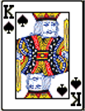 | S | 13
2 | K | m | m | 13 | A | A13 | Spade |  | g |  |  | g | q | w | e | r | t | y | u | i | o | p |  | 32 | 32
3 | Q | l | l | 12 | A | A12 | Spade |  |  |  |  | ? | q | w | e | r | t | y | u | i | o | p
4 | J | k | k | 11 | A | A11 | Spade |  |  |  |  |  | a | s | d | f | g | h | j | k | l
5 | 10 | j | j | 10 | A | A10 | Spade |  |  |  |  |  | a | s | d | f | g | h | j | k | l
6 | 9 | i | i | 9 | A | A9 | Spade |  |  |  |  |  | z | x | c | v | b | n | m
7 | 8 | h | h | 8 | A | A8 | Spade |  |  |  |  |  | z | x | c | v | b | n | m
8 | 7 | g | g | 7 | A | A7 | Spade |  |  |  |  |  | Q | W | E | R | T | Y | U | I | O | P |  |  |  |  | 2 | Q | 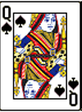 | S | 12
9 | 6 | f | f | 6 | A | A6 | Spade |  |  |  |  |  | Q | W | E | R | T | Y | U | I | O | P
10 | 5 | e | e | 5 | A | A5 | Spade |  |  |  |  |  | A | S | D | F | G | H | J | K | L
11 | 4 | d | d | 4 | A | A4 | Spade |  | g |  |  |  | A | S | D | F | G | H | J | K | L
12 | 3 | c | c | 3 | A | A3 | Spade |  |  |  |  |  | Z | X | C | V | B | N | M
13 | 2 | b | b | 2 | A | A2 | Spade |  |  |  |  | 3 | Z | X | C | V | B | N | M
14 | A | N | N | 1 | B | B1 | Heart |  |  |  |  |  | 5 |  |  |  |  |  |  |  |  |  | 53 | 53
15 | K | Z | Z | 13 | B | B13 | Heart |  |  |  |  |  |  |  |  |  |  |  |  |  |  |  |  |  |  |  | 3 | J | 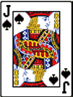 | S | 11
16 | Q | Y | Y | 12 | B | B12 | Heart
17 | J | X | X | 11 | B | B11 | Heart
18 | 10 | W | W | 10 | B | B10 | Heart | Vlookup | Diamond | Diamond | Club
19 | 9 | V | V | 9 | B | B9 | Heart | (Need to sort) |  |  | Diamond
20 | 8 | U | U | 8 | B | B8 | Heart |  |  |  | Heart
21 | 7 | T | T | 7 | B | B7 | Heart |  |  |  | Spade
22 | 6 | S | S | 6 | B | B6 | Heart |  |  |  |  |  |  |  |  |  |  |  |  |  |  |  |  |  |  |  | 4 | 10 |  | S | 10
23 | 5 | R | R | 5 | B | B5 | Heart | Index | Spade | Spade | Spade
24 | 4 | Q | Q | 4 | B | B4 | Heart | (No Need to Sort) |  |  | Heart
25 | 3 | P | P | 3 | B | B3 | Heart |  |  |  | Club
26 | 2 | O | O | 2 | B | B2 | Heart |  |  |  | Diamond
27 | A | n | n | 1 | C | C1 | Club
28 | K | z | z | 13 | C | C13 | Club
29 | Q | y | y | 12 | C | C12 | Club |  |  |  |  |  |  |  |  |  |  |  |  |  |  |  |  |  |  |  | 5 | 9 | 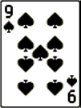 | S | 9
30 | J | x | x | 11 | C | C11 | Club
31 | 10 | w | w | 10 | C | C10 | Club
32 | 9 | v | v | 9 | C | C9 | Club
33 | 8 | u | u | 8 | C | C8 | Club
34 | 7 | t | t | 7 | C | C7 | Club
35 | 6 | s | s | 6 | C | C6 | Club
36 | 5 | r | r | 5 | C | C5 | Club |  |  |  |  |  |  |  |  |  |  |  |  |  |  |  |  |  |  |  | 6 | 8 | 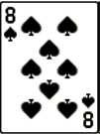 | S | 8
37 | 4 | q | q | 4 | C | C4 | Club
38 | 3 | p | p | 3 | C | C3 | Club
39 | 2 | o | o | 2 | C | C2 | Club
40 | A | A | A | 1 | D | D1 | Diamond
41 | K | M | M | 13 | D | D13 | Diamond
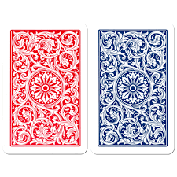
42 | Q | L | L | 12 | D | D12 | Diamond
43 | J | K | K | 11 | D | D11 | Diamond |  |  |  |  |  |  |  |  |  |  |  |  |  |  |  |  |  |  |  | 7 | 7 | 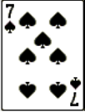 | S | 7
44 | 10 | J | J | 10 | D | D10 | Diamond
45 | 9 | I | I | 9 | D | D9 | Diamond
46 | 8 | H | H | 8 | D | D8 | Diamond
47 | 7 | G | G | 7 | D | D7 | Diamond
48 | 6 | F | F | 6 | D | D6 | Diamond
49 | 5 | E | E | 5 | D | D5 | Diamond
50 | 4 | D | D | 4 | D | D4 | Diamond |  |  |  |  |  |  |  |  |  |  |  |  |  |  |  |  |  |  |  | 8 | 6 | 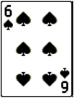 | S | 6
51 | 3 | C | C | 3 | D | D3 | Diamond
52 | 2 | B | B | 2 | D | D2 | Diamond
53 | S | ? | ?

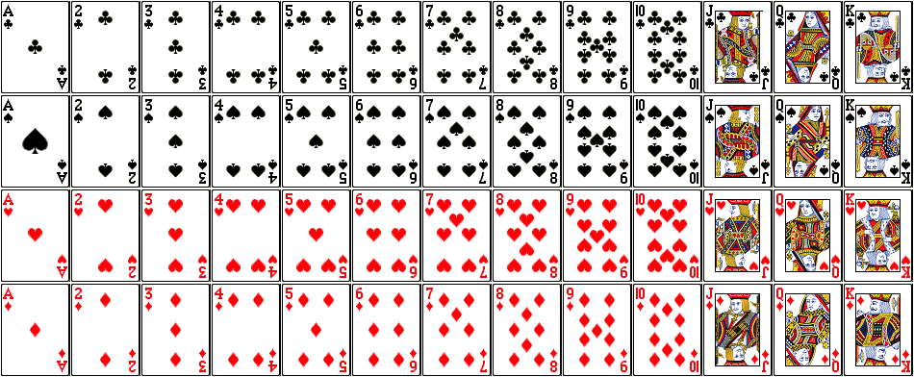
 |  |  |  |  |  |  |  |  |  |  |  |  |  |  |  |  |  |  |  |  |  |  |  |  |  | Card Pic Size 1.5" x 1.1"
 |  |  |  |  |  |  |  |  |  |  |  |  |  |  |  |  |  |  |  |  |  |  |  |  |  |  | 9 | 5 | 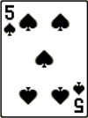 | S | 5

 |  |  |  |  |  |  |  |  |  |  |  |  |  |  |  |  |  |  |  |  |  |  |  |  |  |  | 10 | 4 | 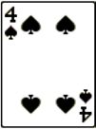 | S | 4

 |  |  |  |  |  |  |  |  |  |  |  |  |  |  |  |  |  |  |  |  |  |  |  |  |  |  | 11 | 3 | 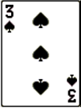 | S | 3

 |  |  |  |  |  |  |  |  |  |  |  |  |  |  |  |  |  |  |  |  |  |  |  |  |  |  | 12 | 2 | 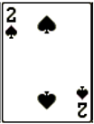 | S | 2

 |  |  |  |  |  |  |  |  |  |  |  |  |  |  |  |  |  |  |  |  |  |  |  |  |  |  | 13 | 1 | 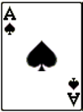 | S | 1

 |  |  |  |  |  |  |  |  |  |  |  |  |  |  |  |  |  |  |  |  |  |  |  |  |  |  | 14 | K | 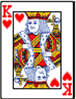 | H | 13

 |  |  |  |  |  |  |  |  |  |  |  |  |  |  |  |  |  |  |  |  |  |  |  |  |  |  | 15 | Q | 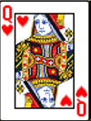 | H | 12

 |  |  |  |  |  |  |  |  |  |  |  |  |  |  |  |  |  |  |  |  |  |  |  |  |  |  | 16 | J | 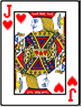 | H | 11

 |  |  |  |  |  |  |  |  |  |  |  |  |  |  |  |  |  |  |  |  |  |  |  |  |  |  | 17 | 10 | 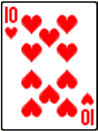 | H | 10

 |  |  |  |  |  |  |  |  |  |  |  |  |  |  |  |  |  |  |  |  |  |  |  |  |  |  | 18 | 9 | 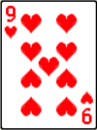 | H | 9

 |  |  |  |  |  |  |  |  |  |  |  |  |  |  |  |  |  |  |  |  |  |  |  |  |  |  | 19 | 8 |  | H | 8

 |  |  |  |  |  |  |  |  |  |  |  |  |  |  |  |  |  |  |  |  |  |  |  |  |  |  | 20 | 7 | 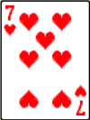 | H | 7

 |  |  |  |  |  |  |  |  |  |  |  |  |  |  |  |  |  |  |  |  |  |  |  |  |  |  | 21 | 6 | 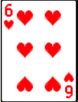 | H | 6

 |  |  |  |  |  |  |  |  |  |  |  |  |  |  |  |  |  |  |  |  |  |  |  |  |  |  | 22 | 5 | 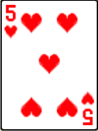 | H | 5

 |  |  |  |  |  |  |  |  |  |  |  |  |  |  |  |  |  |  |  |  |  |  |  |  |  |  | 23 | 4 | 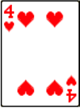 | H | 4

 |  |  |  |  |  |  |  |  |  |  |  |  |  |  |  |  |  |  |  |  |  |  |  |  |  |  | 24 | 3 | 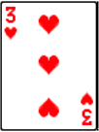 | H | 3

 |  |  |  |  |  |  |  |  |  |  |  |  |  |  |  |  |  |  |  |  |  |  |  |  |  |  | 25 | 2 | 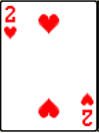 | H | 2

 |  |  |  |  |  |  |  |  |  |  |  |  |  |  |  |  |  |  |  |  |  |  |  |  |  |  | 26 | 1 | 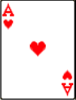 | H | 1

 |  |  |  |  |  |  |  |  |  |  |  |  |  |  |  |  |  |  |  |  |  |  |  |  |  |  | 27 | K | 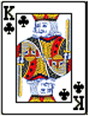 | C | 13

 |  |  |  |  |  |  |  |  |  |  |  |  |  |  |  |  |  |  |  |  |  |  |  |  |  |  | 28 | Q | 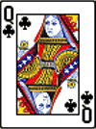 | C | 12

 |  |  |  |  |  |  |  |  |  |  |  |  |  |  |  |  |  |  |  |  |  |  |  |  |  |  | 29 | J | 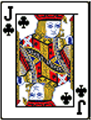 | C | 11

 |  |  |  |  |  |  |  |  |  |  |  |  |  |  |  |  |  |  |  |  |  |  |  |  |  |  | 30 | 10 | 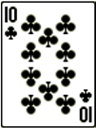 | C | 10

 |  |  |  |  |  |  |  |  |  |  |  |  |  |  |  |  |  |  |  |  |  |  |  |  |  |  | 31 | 9 | 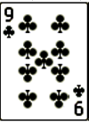 | C | 9

 |  |  |  |  |  |  |  |  |  |  |  |  |  |  |  |  |  |  |  |  |  |  |  |  |  |  | 32 | 8 | 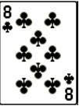 | C | 8

 |  |  |  |  |  |  |  |  |  |  |  |  |  |  |  |  |  |  |  |  |  |  |  |  |  |  | 33 | 7 | 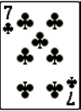 | C | 7

 |  |  |  |  |  |  |  |  |  |  |  |  |  |  |  |  |  |  |  |  |  |  |  |  |  |  | 34 | 6 | 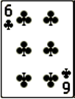 | C | 6

 |  |  |  |  |  |  |  |  |  |  |  |  |  |  |  |  |  |  |  |  |  |  |  |  |  |  | 35 | 5 | 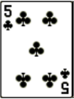 | C | 5

 |  |  |  |  |  |  |  |  |  |  |  |  |  |  |  |  |  |  |  |  |  |  |  |  |  |  | 36 | 4 | 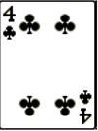 | C | 4

 |  |  |  |  |  |  |  |  |  |  |  |  |  |  |  |  |  |  |  |  |  |  |  |  |  |  | 37 | 3 | 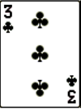 | C | 3

 |  |  |  |  |  |  |  |  |  |  |  |  |  |  |  |  |  |  |  |  |  |  |  |  |  |  | 38 | 2 | 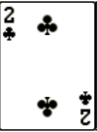 | C | 2

 |  |  |  |  |  |  |  |  |  |  |  |  |  |  |  |  |  |  |  |  |  |  |  |  |  |  | 39 | 1 | 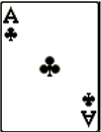 | C | 1

 |  |  |  |  |  |  |  |  |  |  |  |  |  |  |  |  |  |  |  |  |  |  |  |  |  |  | 40 | K | 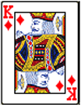 | D | 13

 |  |  |  |  |  |  |  |  |  |  |  |  |  |  |  |  |  |  |  |  |  |  |  |  |  |  | 41 | Q | 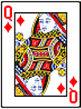 | D | 12

 |  |  |  |  |  |  |  |  |  |  |  |  |  |  |  |  |  |  |  |  |  |  |  |  |  |  | 42 | J | 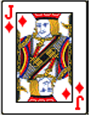 | D | 11

 |  |  |  |  |  |  |  |  |  |  |  |  |  |  |  |  |  |  |  |  |  |  |  |  |  |  | 43 | 10 | 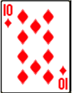 | D | 10

 |  |  |  |  |  |  |  |  |  |  |  |  |  |  |  |  |  |  |  |  |  |  |  |  |  |  | 44 | 9 | 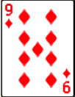 | D | 9

 |  |  |  |  |  |  |  |  |  |  |  |  |  |  |  |  |  |  |  |  |  |  |  |  |  |  | 45 | 8 | 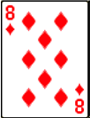 | D | 8

 |  |  |  |  |  |  |  |  |  |  |  |  |  |  |  |  |  |  |  |  |  |  |  |  |  |  | 46 | 7 |  | D | 7

 |  |  |  |  |  |  |  |  |  |  |  |  |  |  |  |  |  |  |  |  |  |  |  |  |  |  | 47 | 6 | 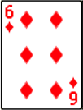 | D | 6

 |  |  |  |  |  |  |  |  |  |  |  |  |  |  |  |  |  |  |  |  |  |  |  |  |  |  | 48 | 5 | 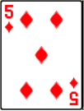 | D | 5

 |  |  |  |  |  |  |  |  |  |  |  |  |  |  |  |  |  |  |  |  |  |  |  |  |  |  | 49 | 4 |  | D | 4

 |  |  |  |  |  |  |  |  |  |  |  |  |  |  |  |  |  |  |  |  |  |  |  |  |  |  | 50 | 3 | 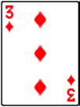 | D | 3

 |  |  |  |  |  |  |  |  |  |  |  |  |  |  |  |  |  |  |  |  |  |  |  |  |  |  | 51 | 2 | 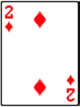 | D | 2

 |  |  |  |  |  |  |  |  |  |  |  |  |  |  |  |  |  |  |  |  |  |  |  |  |  |  | 52 | 1 | 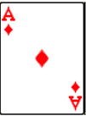 | D | 1

 |  |  |  |  |  |  |  |  |  |  |  |  |  |  |  |  |  |  |  |  |  |  |  |  |  |  | 53 | ?

